ODW regional map
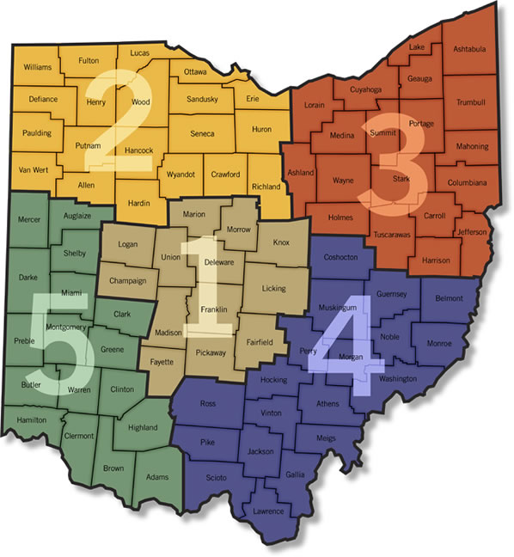
Adapted from ODNR (originally from http://www.thenaturalresource.com/hunting/game_check_districts.php)

